Subsidies Paid
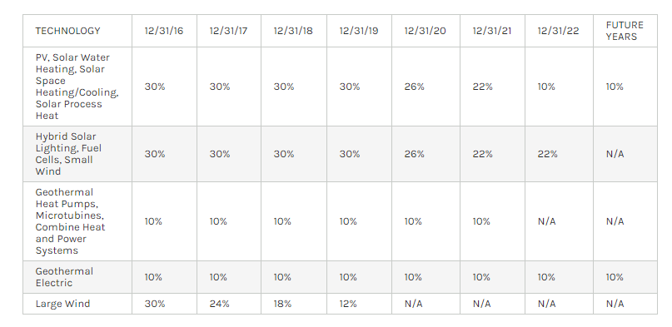
Model Energy Source | Subsidy Name | Source | Fuel/Electricity | Unit | 2013 | 2014 | 2015 | 2016 | 2017 | 2018 | 2019 | 2020 | 2021 | 2022 | 2023 | 2024 | 2025 | 2026 | 2027 | 2028 | 2029 | 2030
biomass | Section 45: PTC | http://programs.dsireusa.org/system/program/detail/734 | Electricity | $/kWh (2014) | 0.011 | 0.012 | 0.012 | 0.012 | 0 | 0 | 0 | 0 | 0 | 0 | 0 | 0 | 0 | 0 | 0 | 0 | 0 | 0 | <expires in 2016
coal | IRC Section 48A Tax Credit for IGCC and ACBGT | https://www.law.cornell.edu/uscode/text/26/48A | Electricity | % of investments costs | 0 | 0 | 0 | 0 | 0 | 0 | 0 | 0 | 0 | 0 | 0 | 0 | 0 | 0 | 0 | 0 | 0 | 0 | <We assign this zero because no unit in our model can meet the heat rate requirements to be elgible and we assume no new IGCC units
coal | Amortization of air pollution control facilities | https://www.jct.gov/publications.html?func=download&id=4663&chk=4663&no_html=1 | Electricity | Billion $ | n/a | 0.4 | 0.4 | 0.4 | 0.3 | 0.3 | n/a | n/a | n/a | n/a | n/a | n/a | n/a | n/a | n/a | n/a | n/a | n/a | <use same methodology as before
hydro | Section 45: PTC | http://programs.dsireusa.org/system/program/detail/734 | Electricity | $/kWh (2014) | 0.011 | 0.012 | 0.012 | 0.012 | 0 | 0 | 0 | 0 | 0 | 0 | 0 | 0 | 0 | 0 | 0 | 0 | 0 | 0 | <expires in 2016
nuclear | Special rules for nuclear decommissioning costs | https://www.jct.gov/publications.html?func=download&id=4663&chk=4663&no_html=1 | Electricity | Billion $ | n/a | 0.2 | 0.2 | 0.2 | 0.3 | 0.3 | n/a | n/a | n/a | n/a | n/a | n/a | n/a | n/a | n/a | n/a | n/a | n/a | <use same methodology as before
solar pv, solar thermal | Section 48: ITC | http://programs.dsireusa.org/system/program/detail/658 | Electricity | % of investment costs | 0.3 | 0.3 | 0.3 | 0.3 | 0.3 | 0.3 | 0.3 | 0.26 | 0.22 | 0.1 | 0.1 | 0.1 | 0.1 | 0.1 | 0.1 | 0.1 | 0.1 | 0.1 | <extended with ramp down and no phase out
wind | Section 45: PTC | http://programs.dsireusa.org/system/program/detail/734 | Electricity | $/kWh (2014) | 0.023 | 0.023 | 0.023 | 0.023 | 0.0184 | 0.0138 | 0.0092 | 0 | 0 | 0 | 0 | 0 | 0 | 0 | 0 | 0 | 0 | 0 | <extending with ramp down, expiring in 2020
geothermal | Section 45: PTC | http://programs.dsireusa.org/system/program/detail/734 | Electricity | $/kWh (2014) | 0.023 | 0.023 | 0.023 | 0.023 | 0 | 0 | 0 | 0 | 0 | 0 | 0 | 0 | 0 | 0 | 0 | 0 | 0 | 0 | <expires in 2016
geothermal | Section 48: ITC | http://programs.dsireusa.org/system/program/detail/658 | Electricity | % of investment costs | 0.1 | 0.1 | 0.1 | 0.1 | 0.1 | 0.1 | 0.1 | 0.1 | 0.1 | 0.1 | 0.1 | 0.1 | 0.1 | 0.1 | 0.1 | 0.1 | 0.1 | 0.1 | <no expiration; can be taken in lieu of PTC (we switch when PTC expires)
coal | Capital gains treatment for royalties of coal | http://www.treasury.gov/open/Documents/USA%20FFSR%20progress%20report%20to%20G20%202014%20Final.pdf | Fuel | $ | n/a | n/a | 53000000 | n/a | n/a | n/a | n/a | n/a | n/a | n/a | n/a | n/a | n/a | n/a | n/a | n/a | n/a | n/a | <need to estimate based on this
coal | Expensing of exploration and development costs for hard mineral fuels | http://www.treasury.gov/open/Documents/USA%20FFSR%20progress%20report%20to%20G20%202014%20Final.pdf; https://www.jct.gov/publications.html?func=download&id=4663&chk=4663&no_html=1 | Fuel | Billion $ | n/a | 0.1 | 0.1 | 0.1 | 0.1 | 0.1 | n/a | n/a | n/a | n/a | n/a | n/a | n/a | n/a | n/a | n/a | n/a | n/a
petroleum gasoline, petroleum diesel, jet fuel | Expensing of exploration and development costs for hard mineral fuels | http://www.treasury.gov/open/Documents/USA%20FFSR%20progress%20report%20to%20G20%202014%20Final.pdf; https://www.jct.gov/publications.html?func=download&id=4663&chk=4663&no_html=1 | Fuel | Billion $ | n/a | 1.1 | 1.1 | 1.2 | 1.3 | 1.3 | n/a | n/a | n/a | n/a | n/a | n/a | n/a | n/a | n/a | n/a | n/a | n/a | <use same methodology as before
natural gas, petroleum gasoline, petroleum diesel, jet fuel | Excess of percentage over cost depletion, fuels: Oil and gas | http://www.treasury.gov/open/Documents/USA%20FFSR%20progress%20report%20to%20G20%202014%20Final.pdf | Fuel | Billion $ | n/a | 1.02 | 1.52 | 1.62 | 1.62 | 1.62 | n/a | n/a | n/a | n/a | n/a | n/a | n/a | n/a | n/a | n/a | n/a | n/a | <use same methodology as before
natural gas, petroleum gasoline, petroleum diesel, jet fuel | Amortization of geological and geophysical expenditures associated with oil and gas exploration | http://www.treasury.gov/open/Documents/USA%20FFSR%20progress%20report%20to%20G20%202014%20Final.pdf | Fuel | Billion $ | n/a | 0.14 | 0.14 | 0.14 | 0.14 | 0.14 | n/a | n/a | n/a | n/a | n/a | n/a | n/a | n/a | n/a | n/a | n/a | n/a | <use same methodology as before
natural gas, petroleum gasoline, petroleum diesel, jet fuel | Exceptions for publicly traded partnership with qualified income derived from certain energy-related activities | https://www.fas.org/sgp/crs/misc/R41769.pdf | Fuel | Billion $ | n/a | 1.1 | 1.1 | 1.2 | 1.2 | 1.2 | n/a | n/a | n/a | n/a | n/a | n/a | n/a | n/a | n/a | n/a | n/a | n/a | <use same methodology as before
petroleum gasoline, petroleum diesel, jet fuel | Deduction for tertiary injectants | http://www.treasury.gov/open/Documents/USA%20FFSR%20progress%20report%20to%20G20%202014%20Final.pdf | Fuel | $ | n/a | n/a | 10000000 | n/a | n/a | n/a | n/a | n/a | n/a | n/a | n/a | n/a | n/a | n/a | n/a | n/a | n/a | n/a | <need to estimate based on this

 |  | https://www.energy.gov/savings/business-energy-investment-tax-credit-itc |  |  |  |  | (accessed 14 January 2019)

